Section A
Block wall Automation Modeling
 | [General input]
Toelevel [m] |  | -4.250
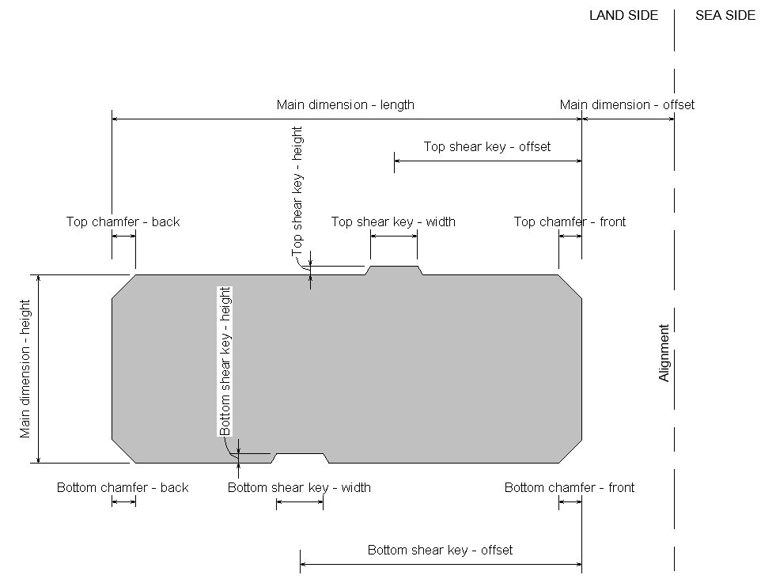
Main structure

Main Dimensions |  |  | Top shear key |  |  | Bottom shear key |  |  | Top Chamfer |  |  |  | Bottom Chamfer
Height [mm] | Length [mm] | Offset [mm] | TSK Height [mm] | TSK Width [mm] | TSK Offset [mm] | BSK Height [mm] | BSK Width [mm] | BSK Offset [mm] | TC Back X [mm] | TC Back Y [mm] | TC Front X [mm] | TC Front Y [mm] | BC Back X [mm] | BC Back Y [mm] | BC Front X [mm] | BC Front Y [mm]
1000 | 5000 | 0 | 0 | 0 | 0 | 0 | 0 | 0 | 500 | 500 | 0 | 0 | 0 | 0 | 0 | 0
1000 | 5000 | 0 | 0 | 0 | 0 | 0 | 0 | 0 | 0 | 0 | 0 | 0 | 0 | 0 | 0 | 0
1000 | 6000 | 0 | 0 | 0 | 0 | 0 | 0 | 0 | 1000 | 1000 | 0 | 0 | 0 | 0 | 0 | 0
2000 | 6000 | 0 | 0 | 0 | 0 | 0 | 0 | 0 | 0 | 0 | 0 | 0 | 0 | 0 | 0 | 0
2000 | 7000 | 0 | 0 | 0 | 0 | 0 | 0 | 0 | 0 | 0 | 0 | 0 | 0 | 0 | 0 | 0

 | [Geo input - section level]
General
Bed level [m C.D.] |  | -4.25
Fill level [m C.D.] |  | 2.75
Original Natural Ground Level [m C.D.] |  | 2.75

Improvement and backfill.
Scour protection material |  | Rock 10-60kg |  |  |  | Selection menu
Base layer thickness [mm] |  | 200
Base layer offset front [mm] |  | 200
Base layer offset back [mm] |  | 200
Base layer slope [1:x] |  | 1
Base layer material |  | Rock 2/90mm |  |  |  | Selection menu
Soil improvement thickness [mm] |  | 1000
Soil improvement offset front [mm] |  | 1000
Soil improvement offset back [mm] |  | 1000
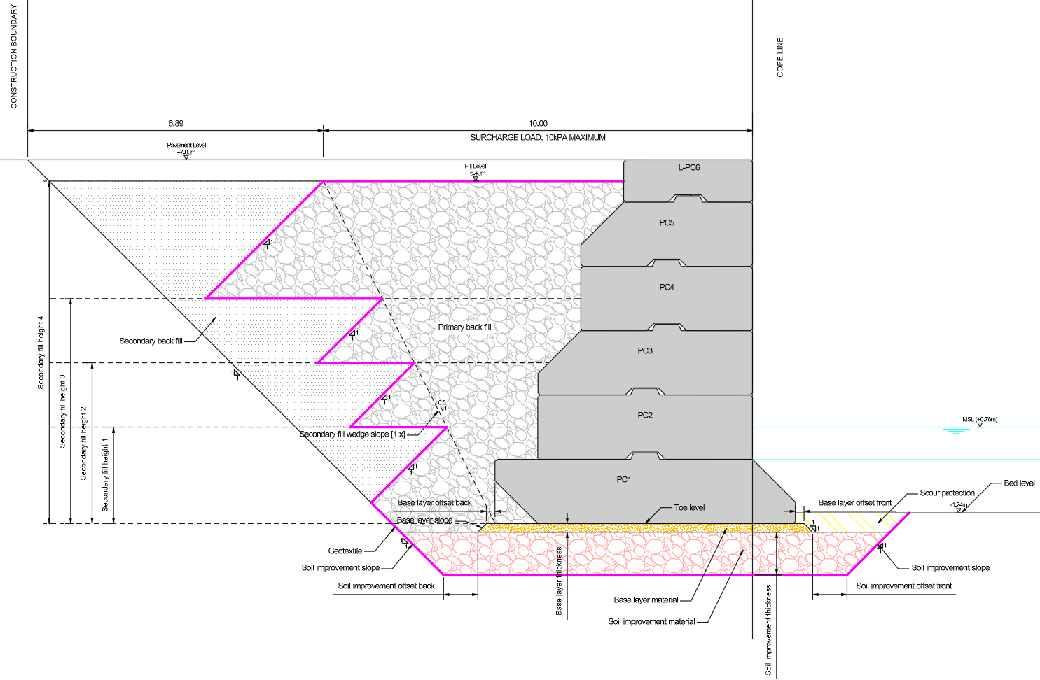
Soil improvement slope [1:x] |  | 2
Soil improvement material |  | Rock 30-50mm |  |  |  | Selection menu
Secondary fill wedge slope [1:x] |  | 1
Secondary fill height 1
Secondary fill height 2
Secondary fill height 3
Secondary fill height 4

Load cases |  | Uniform | Patched | Stacked
1 |  | No | No | No
2 |  | Yes | Yes | No
3
4
5
6
7
8

Uniform Surcharge
Load [kN/m2/m] |  | 0

Patch Surcharge
Load [kN/m2/m] |  | 0
Breadth, Perpendicular to Quay Edge [m] |  | 0
Width, Parallel to Quay Edge [m] |  | 0
Offset, Front Patch Edge to Back of Cope [m] |  | 0

Stacked Surcharge: Vertical
Load [kN/m] |  | 0
Offset, Distance to Quay Edge [m] |  | 0

Stacked Surcharge: Horizontal
Load [kN/m] |  | 0

Bollards
Load [kN] |  | 0
Spacing, Distance between Bollards [m] |  | 10
Elevation, Vertical Distance from Cope [m] |  | 0

Water levels
Seaward level (canal) [m C.D.] |  | 0.76
Groundwater level (landside) [m C.D] |  | 1.5

Material parameters (man-made fill)
Geotextiel [Yes/No] |  | Yes |  |  |  | Selection menu
Primary back fill material |  | Quarry run |  |  |  | Selection menu
Secondary back fill material |  | Sand |  |  |  | Selection menu

Design Soil Profiles
Profile_1 |  | Yes
Profile_2 |  | No
Profile_3 |  | Yes
Profile_4 |  | No
Profile_5 |  | No
Profile_6 |  | No

